New Consent
Limbdi Ayurved Medical College and Research Center, Limbdi
Staff Details Format
Name | Post | Educational Qualification | Work Experience | Joining Date | Monthly Salary | Passport size Photo | SIGNATURE
Dr Ravi Maliwadar | Principal/ Supritendant | MD.Ayurved | 14 | 10/04/2024
dr Vrushali Gayakwad | Professor | MD - Ayurved Kriya Sharir | 23 | Consent |  | 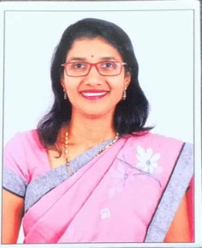
Dr Kalpesh Mande | Assoc. Prof | MD - Ayurved Kriya Sharir | 8 Years | Consent
Dr Kiran Kodape | Lecturer | MD - Ayurved Kriya Sharir | 2 | Consent
Dr Imaran Patel | Professor | MD - Ayurved Samhita Sidhha | 10 Years | Consent
Dr Dhara Patel | Assoc.Prof | MD - Ayurved Samhita Sidhha | 4 Years | Consent
Dr Vikalp Kubavat | Lecturer | MD - Ayurved Samhita Sidhha | 1 | Consent
Dr Arsi Dodia | Professor | MD - Ayurved Rachana Sharir | 10 Years | Consent
Dr Navin Banarase | Professor | MD - Ayurved Rachana Sharir | 10 | Consent
Dr Rutva Shah | Lecturer | MD - Ayurved Rachana Sharir | 1 | Consent
Mr Hitesh Pandya | Lecturer | MA Sanskrit | 1 | Consent

